Case #1
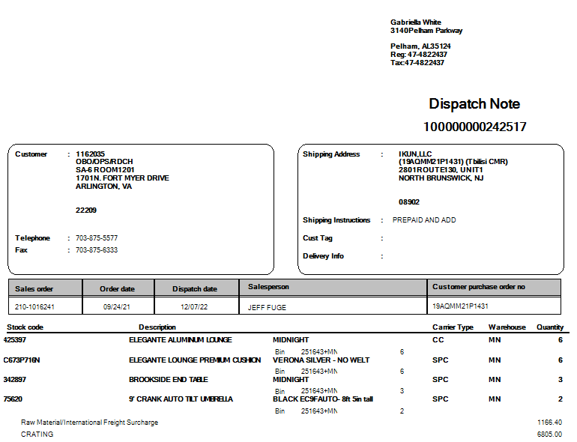
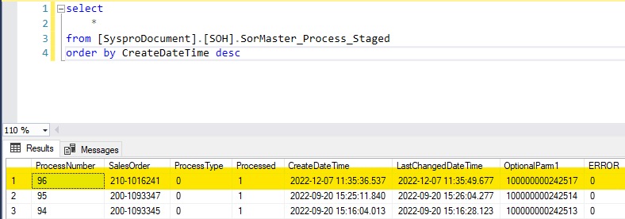
Justin Pope Dev Test
Test Case No. | 1
Process | test new trigger
Test Consideration | 1) Syspro access 2) SQL Server Management Studio
Test Condition |  | Data Used | How To Verify | Actual Results
Tasks
1 | Create Disptach | Dev Data |  | Screen Shot below
2 | Verify Sales Order Handler has staged record | Dev Data | Query Data Base | Screen Shot below
Configuration/Data Setup for Testing Scenario
Verification
Test Cast Screens Shots Before and After

